Load Rating
CLIENT | City of Lowell |  |  | STV Incorporated |  |  |  | CLIENT | City of Lowell |  |  | STV Incorporated |  |  |  | CLIENT | City of Lowell |  |  |  |  | STV Incorporated |  |  |  | CLIENT | City of Lowell |  |  |  | STV Incorporated |  |  |  | CLIENT | City of Lowell |  |  |  |  | STV Incorporated |  |  |  | CLIENT | City of Lowell |  |  |  |  | STV Incorporated |  |  |  | CLIENT | City of Lowell |  |  |  |  | STV Incorporated |  |  |  | CLIENT | City of Lowell |  |  |  | STV Incorporated |  |  |  | CLIENT | City of Lowell |  |  |  | STV Incorporated |  |  |  | CLIENT | City of Lowell |  |  |  | STV Incorporated |  |  |  | CLIENT | City of Lowell |  |  |  | STV Incorporated
PROJECT | University Ave, Lowell, Bridge |  |  | MADE | CHK. | REV. | 4014312 | PROJECT | University Ave, Lowell, Bridge |  |  | MADE | CHK. | REV. | 4014312 | PROJECT | University Ave, Lowell, Bridge |  |  |  |  | MADE | CHK. | REV. | 4014312 | PROJECT | University Ave, Lowell, Bridge |  |  |  | MADE | CHK. | REV. | 4014312 | PROJECT | University Ave, Lowell, Bridge |  |  |  |  | MADE | CHK. | REV. | REV. | PROJECT | University Ave, Lowell, Bridge |  |  |  |  | MADE | CHK. | REV. | 4014312 | PROJECT | University Ave, Lowell, Bridge |  |  |  |  | MADE | CHK. | REV. | REV. | PROJECT | University Ave, Lowell, Bridge |  |  |  | MADE | CHK. | REV. | REV. | PROJECT | University Ave, Lowell, Bridge |  |  |  | MADE | CHK. | REV. | REV. | PROJECT | University Ave, Lowell, Bridge |  |  |  | MADE | CHK. | REV. | REV. | PROJECT | University Ave, Lowell, Bridge |  |  |  | MADE | CHK. | REV. | REV.
SUBJECT | Bridge Load Rating |  |  | ARG |  |  | SHT # 1 /12 | SUBJECT | Bridge Load Rating |  |  | ARG |  |  | SHT # 2 /12 | SUBJECT | Bridge Load Rating |  |  |  |  | ARG |  |  | SHT # 3 /12 | SUBJECT | Bridge Load Rating |  |  |  | ARG |  |  | SHT # 4 /12 | SUBJECT | Bridge Load Rating |  |  |  |  | 0 |  |  | SHT # 5 /12 | SUBJECT | Bridge Load Rating |  |  |  |  | ARG |  |  | SHT # 6 /12 | SUBJECT | Bridge Load Rating |  |  |  |  | ARG |  |  | SHT # 7 /12 | SUBJECT | Bridge Load Rating |  |  |  | ARG |  |  | SHT # 8 /12 | SUBJECT | Bridge Load Rating |  |  |  | ARG |  |  | SHT # 9 /12 | SUBJECT | Bridge Load Rating |  |  |  | ARG |  |  | SHT # 10 /12 | SUBJECT | Bridge Load Rating |  |  |  | ARG |  |  | SHT # 11 /12
 |  |  |  | 2015-10-28 |  |  |  |  |  |  |  | 2015-10-28 |  |  |  |  |  |  |  |  |  | 2015-10-28 |  |  |  |  |  |  |  |  | 2015-10-28 |  |  |  |  |  |  |  |  |  | 2015-10-28 |  |  |  |  |  |  |  |  |  | 2015-10-28 |  |  |  |  |  |  |  |  |  | 2015-10-28 |  |  |  |  |  |  |  |  | 2015-10-28 |  |  |  |  |  |  |  |  | 2015-10-28 |  |  |  |  |  |  |  |  | 2015-10-28 |  |  |  |  |  |  |  |  | 2015-10-28
 |  |  |  |  |  |  |  |  |  |  |  |  |  |  |  |  |  |  |  |  |  |  |  |  |  |  |  |  |  |  |  |  |  |  |  |  |  |  |  |  |  |  |  |  |  |  |  |  |  |  |  |  |  |  |  |  |  |  |  |  |  |  |  |  |  | Type of Truck = |  | HL-93 |  |  | PLL = VLL = | 0 | kip
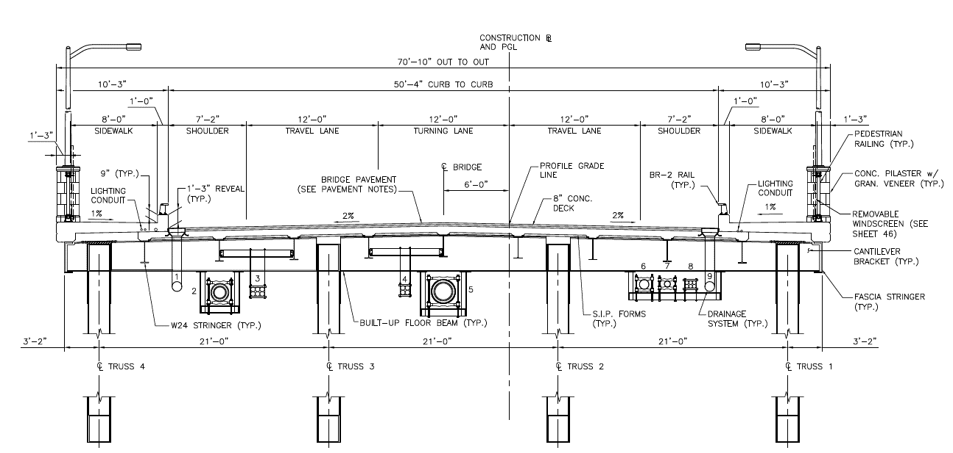
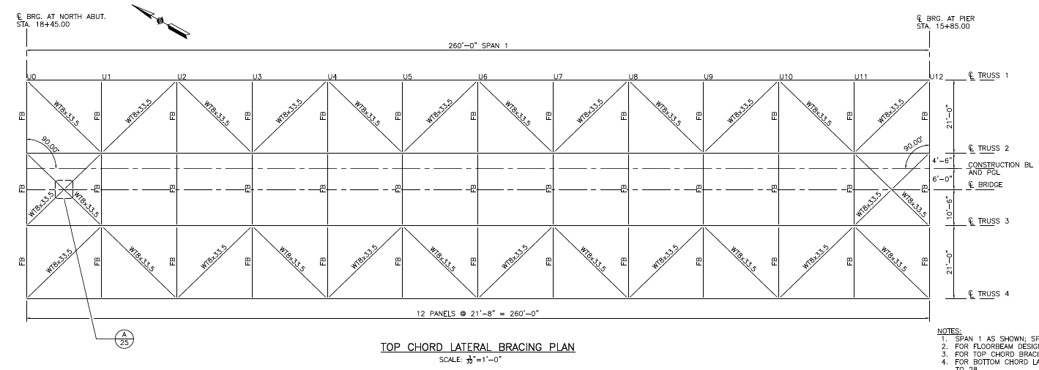
 |  |  |  |  |  |  |  |  |  |  |  |  |  |  |  |  |  |  |  |  |  |  |  |  |  |  | Gusset Plates Points Loads |  |  |  |  | Ref. |  |  |  | Loading from Gusset Plates |  |  |  |  |  |  |  |  |  | Gusset Plates Points Loads |  |  |  |  |  | Ref. |  |  |  | Bridge Live Load |  |  |  |  | Ref. |  |  |  |  |  |  |  |  |  |  |  |  |  | Type of Truck = |  | Type 3S3 |  |  | PLL = VLL = | 0 | kip |  | Load transfer to Stringers & Floorbeams: |  |  |  |  |  |  |  |  | Load transfer to Stringers & Floorbeams:
 |  |  |  |  |  |  |  |  |  |  |  |  |  |  |  |  |  |  |  |  |  |  | Bridge Span = | 260.000 | ft |  |  |  |  |  |  |  |  |  |  |  |  |  |  |  |  |  |  |  |  |  |  |  |  |  |  |  |  |  |  |  |  |  |  |  |  |  |  |  |  | DF | Total | No. | Mod. | LL
 |  |  |  |  |  |  |  |  |  |  |  |  |  |  |  |  |  |  |  |  |  |  | Floorbeam L = | 21.000 | ft |  | Dead Loads on Upper Panel: |  |  |  |  | Values do not include Bracing |  |  |  | Gusset Plates |  |  |  |  |  |  |  |  |  |  |  |  |  |  |  |  |  |  |  | Deck Width |  | 54.68 | ft |  | From bridge cross section |  |  |  |  |  | Load | Lanes | Factor |  |  |  |  |  | DF | Total | No. | Mod. | LL |  |  |  |  | Dead Load: |  |  |  |  | Ref. |  |  |  | Live Load:
 |  |  |  |  |  |  |  |  |  |  |  |  |  |  |  |  |  |  |  |  |  |  | Stringer L = | 21.667 | ft |  |  |  |  |  |  |  |  |  |  |  |  |  |  |  |  |  |  |  |  | Upper Panels: |  |  |  |  |  |  |  |  |  | Number of Lanes |  | 5 |  |  | Standard Lane Size |  |  |  |  |  | 229.5 | 1 |  | 0 |  |  |  |  |  | Load | Lanes | Factor
 |  |  |  |  |  |  |  |  |  |  |  |  |  |  |  |  |  |  |  |  |  |  | Bracket L = | 3.167 | ft |  | End Panels |  |  |  |  |  |  |  |  |  | Gusset | Area* | thickness | Weight | Weight for 2 plates |  |  |  |  |  |  |  |  |  |  |  |  |  |  |  |  |  |  |  |  |  |  |  |  |  | 229.50 | 2 |  | 0 |  |  |  |  |  | 166.4 | 1 |  | 0 |  |  |  |  | Stringer loading: |  |  |  |  |  |  |  |  |  | Stringer Load = | 0.00 | kip |  | Edge Stringers
 |  |  |  |  |  |  |  |  |  |  |  |  |  |  |  |  |  |  |  |  |  |  | Stringer S = | 6.833 | ft |  | L0, L12 = | Load * Panel Span = |  | 70.94 | kip |  |  |  |  |  |  |  |  |  |  |  |  |  |  | Upper Pts | X | Y | Load |  |  |  |  |  |  |  |  |  |  | Wheel Placement |  |  |  |  |  |  | 229.50 | 3 |  | 0 |  |  |  |  |  | 166.40 | 2 |  | 0 |  |  |  |  |  |  |  |  |  |  |  |  |  |  | Shear VDL = WDL * L / 2 = | 0.00 | kip |  | Total Shear / 11 Stringers
 |  |  |  |  |  |  |  |  |  |  |  |  |  |  |  |  |  |  |  |  |  |  |  |  |  |  |  | ( 2 * # trusses) |  |  |  |  |  |  |  |  |  | in2 | in | kips | kips |  |  |  |  | U0 | 0 | 0 | 73.47 |  |  | 1/2 Hz. Brace load |  |  |  | Method | Truck | Load | Load | Long | Trans | Shear |  |  |  |  | 229.50 | 4 |  | 0 |  |  |  |  |  | 166.40 | 3 |  | 0 |  |  |  |  |  | Stringer Load = | 2.56 | kip/ft |  | Edge Stringers |  |  |  |  | Moment = | 0.00 | kip-ft
 |  |  |  |  |  |  |  |  |  |  |  |  |  |  |  |  |  |  |  |  |  |  |  |  |  |  |  |  |  |  |  |  |  |  |  |  | U0 | 1531.7 | 0.75 | 0.33 | 0.65 |  |  |  |  | U1 | 21.667 | 0 | 143.97 |  |  | 3x (1/2) Hz. Brace load |  |  |  | LRFD | HL-93 | 72 | tons | 32-32-8 | 14ft | 6 ft | 63.1 |  |  |  |  | 229.50 | 5 |  | 0 |  |  |  |  |  | 166.40 | 4 |  | 0 |  |  |  |  |  | Shear VDL = WDL * L / 2 = | 27.74 | kip |  | Total Shear / 11 Stringers
 |  |  |  |  |  |  |  |  |  |  |  |  |  |  |  |  |  |  |  |  |  |  |  |  |  |  | Mid-Panels |  |  |  |  |  |  |  |  |  | U1 | 6410.3 | 0.75 | 1.36 | 2.73 |  |  |  |  | U2 | 43.334 | 0 | 141.39 |  |  | *1 Hz. Brace load |  |  |  | ASD | H20 | 36 | tons | 16-4 | 14ft |  |  |  |  |  |  |  |  |  | 0 |  |  |  |  |  | 166.40 | 5 |  | 0 |  |  |  |  |  | Moment = | 150.31 | kip-ft |  |  |  |  |  |  | Stringer Load = | 0.00 | kip |  | Interior Stringers
 |  |  |  |  |  |  |  |  |  |  |  |  |  |  |  |  |  |  |  |  |  |  |  |  |  |  | L1-L11 = | Load * Panel Span = |  | 139.07 | kip |  |  |  |  |  | U2 | 1559.8 | 0.75 | 0.33 | 0.66 |  |  |  |  | U3 | 65.001 | 0 | 143.02 |  |  | * |  |  |  | ASD | HS20 |  | tons | 16-16-4 | 14ft |  |  |  |  |  |  |  |  |  |  |  |  |  |  |  |  |  |  | 0 |  |  |  |  |  |  |  |  |  |  |  |  |  |  | Shear VDL = WDL * L / 2 = | 0.00 | kip |  | Total Shear / 11 Stringers
 |  |  |  |  |  |  |  |  |  |  |  |  |  |  |  |  | Figure XX. | Bridge Cross-Section |  |  |  |  |  |  |  |  |  | ( # trusses) |  |  |  |  |  |  |  |  | U3 | 5404.5 | 0.75 | 1.15 | 2.30 |  |  |  |  | U4 | 86.668 | 0 | 141.38 |  |  | * |  |  |  | ASD | Type 3 |  | tons | 8-8.5-8.5 | 15-4 ft |  |  |  |  |  | Type of Truck = |  | H20 |  |  | PLL = VLL = | 0 | kip |  |  |  |  |  |  |  |  |  |  |  | Stringer Load = | 1.99 | kip |  | Interior Stringers |  |  |  |  | Moment = | 0.00 | kip-ft
 |  |  |  |  |  |  |  |  |  |  |  |  |  |  |  |  |  |  |  |  |  |  |  |  |  |  |  |  |  |  |  |  |  |  |  |  | U4 | 1560.1 | 0.75 | 0.33 | 0.66 |  |  |  |  | U5 | 108.335 | 0 | 143.02 |  |  | * |  |  |  | ASD | Type 3S3 |  | tons | 7.75*4-5 | 4-22-4-11 ft |  |  |  |  |  |  |  |  |  |  |  |  |  |  | Gusset Plates Points Loads |  |  |  |  | Ref. |  |  |  |  | Shear VDL = WDL * L / 2 = | 21.52 | kip |  | Total Shear / 11 Stringers
 |  | Figure XX. | Bridge Cross-Section |  |  |  |  |  |  |  |  |  |  |  |  |  | Bridge Dead Loads on Upper Panel: |  |  |  |  |  |  |  |  |  | Bridge Dead Loads on Lower Panel: |  |  |  |  |  |  |  |  |  | U5 | 5386.6 | 0.75 | 1.15 | 2.29 |  |  |  |  | U6 | 130.002 | 0 | 141.40 |  |  | * |  |  |  | Lane Load |  | 0.64 | ksf |  |  | 166.4 |  |  |  | DF | Total | No. | Mod. | LL |  |  |  |  |  |  |  |  |  |  |  |  |  |  | Moment = | 116.57 | kip-ft |  |  |  |  |  |  | Floor beam load transferred= | 0.00 | kip |  | End Floor beam
 |  |  |  |  |  |  |  |  |  |  |  |  |  |  |  |  |  |  |  |  |  |  |  |  |  |  |  |  |  |  |  |  |  |  |  |  | U6 | 1562.5 | 0.75 | 0.33 | 0.66 |  |  |  |  | U7 | 151.669 | 0 | 144.25 |  |  | * |  |  |  | Additional Point Load, Shear |  |  |  |  |  |  |  |  |  |  | Load | Lanes | Factor |  |  |  |  |  |  |  |  |  |  |  |  |  |  |  |  |  |  |  |  |  |  |  |  | Floor beam shear V = |  | kip |  | AISC Equation
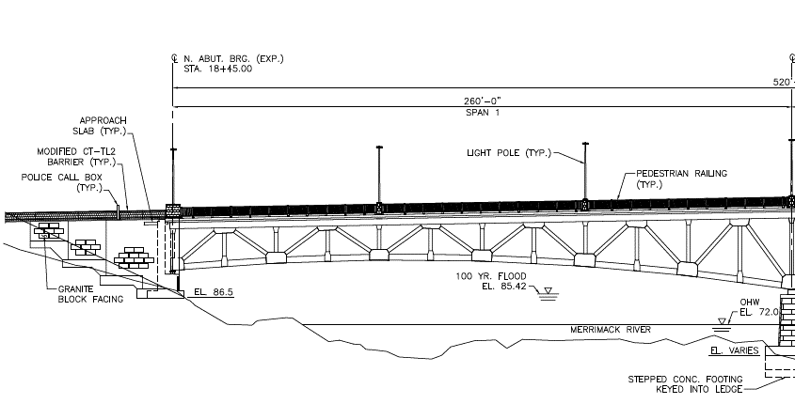
 |  |  |  |  |  |  |  |  | Figure XX. | Horizontal Bracing on Upper Panel |  |  |  |  |  |  | Thickness | Width | Ys | Qty | Item |  | Load | AASHTO |  |  | Area | Length | Ys | Qty | Item |  | Load | AASHTO |  |  | U7 | 6148 | 1 | 1.74 | 3.49 |  |  |  |  | U8 | 173.336 | 0 | 141.67 |  |  | * |  |  |  | Additional Point Load, Mom |  |  | kip |  |  | 0 |  |  |  |  | 166.4 | 1 |  | 0 |  |  |  |  | End Panels |  |  |  |  |  |  |  |  | Floor beam loading: |  |  |  |  |  |  |  |  |  | Floor beam moment M = | 0.00 | kip-ft |  | AISC Equation
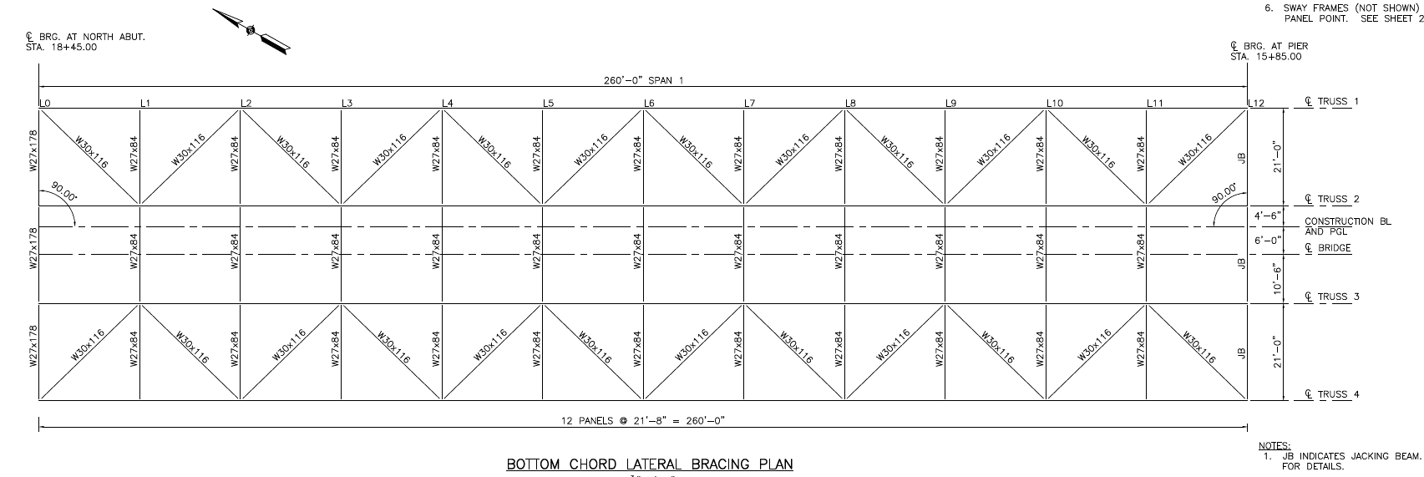
 |  |  |  |  |  |  |  |  |  |  |  |  |  |  |  |  | in | ft | k/ft3 | - | Description |  | k/ft | Type |  |  | in2 | ft | k/ft3 | - | Description |  | kip | Type |  |  | U8 | 1560 | 1 | 0.44 | 0.88 |  |  |  |  | U9 | 195.003 | 0 | 145.48 |  |  | * |  |  |  | Total Load |  |  |  |  |  | 229.5 |  |  |  |  | 166.40 | 2 |  | 0 |  |  |  |  | L0, L12 = | Panel Span = |  | 0.00 | kip
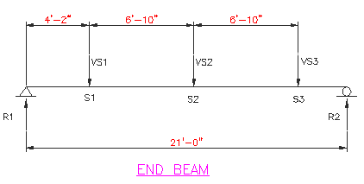
 |  |  |  |  |  |  |  |  |  |  |  |  |  |  |  |  | 3.500 | 50.34 | 0.15 | 1.00 | Asphalt (HMA) Layer |  | 2.203 | DW | * |  | 24.7 | 21 | 0.49 | 3 | Interior Floorbeam |  | 5.30 | DC |  |  | U9 | 6867.3 | 1 | 1.95 | 3.89 |  |  |  |  | U10 | 216.670 | 0 | 142.55 |  |  | * |  |  |  |  |  |  |  |  |  |  |  |  |  |  | 166.40 | 3 |  | 0 |  |  |  |  |  | ( 2 * Load (DL) * # trusses) |  |  |  |  |  |  |  |  |  |  |  |  |  |  |  |  |  | Floor beam load transferred= | 0.00 | kip |  | Intermediate Floor beam
 |  |  |  |  |  |  |  |  |  |  |  |  |  |  |  |  | 8.000 | 54.68 | 0.17 | 1.00 | Reinf. Concrete Deck Slab |  | 6.015 | DC | * |  | 109.69 | 21 | 0.49 | 3 | JB - L12 beam |  | 23.51 | DC |  |  | U10 | 1560 | 1 | 0.44 | 0.88 |  |  |  |  | U11 | 238.337 | 0 | 147.90 |  |  | 3x (1/2) Hz. Brace load |  |  |  | Lane Modified Load |  |  |  |  | PDL = VDL = | 1147.5 | kip |  |  |  | 166.40 | 4 |  | 0 |  |  |  |  |  |  |  |  |  |  |  |  |  |  |  |  |  |  |  |  |  |  |  | Floor beam shear V = |  | kip |  | AISC Equation
 |  |  |  |  |  |  |  |  |  |  |  |  |  |  |  |  | 9.000 | 54.68 | 0.00 | 1.00 | SIP Forms |  | 0.164 | DC |  |  | 27.8 | 21 | 0.49 | 3 | Exterior Floorbeam |  | 5.96 | DC |  |  | U11 | 6587.3 | 1.5 | 2.80 | 5.60 |  |  |  |  | U12 | 260.004 | 0 | 75.87 |  |  | 1/2 Hz. Brace load |  |  |  |  |  |  |  |  |  |  |  |  |  |  | 166.40 | 5 |  | 0 |  |  |  |  | Mid-Panels |  |  |  |  |  |  |  |  |  |  |  |  |  |  |  |  |  |  | Floor beam moment M = | 0.00 | kip-ft |  | AISC Equation
 |  |  |  |  |  |  |  |  |  |  |  |  |  |  |  |  | 1.000 | 0.58 | 0.15 | 9.00 | Stringer Haunch |  | 0.066 | DC |  |  |  |  |  |  |  |  | 28.81 |  |  |  | U12 | 1560 | 1 | 0.44 | 0.88 |  |  |  |  |  |  |  |  |  |  |  |  |  |  |  |  |  |  |  |  |  |  |  |  |  |  |  |  | 0 |  |  |  |  | L1-L11 = | Panel Span = |  | 0.00 | kip
 |  |  |  |  |  |  |  |  |  |  |  |  |  |  |  |  | 12.875 | 10.25 | 0.15 | 2.00 | Sidewalk Deck |  | 3.135 | DC | ** |  |  |  |  |  |  |  |  |  |  |  |  |  |  |  |  |  |  |  |  |  |  |  |  |  |  |  |  |  |  | Impact Loading |  |  |  |  |  |  |  |  |  |  |  |  |  |  |  |  |  |  |  | ( Load (DL) * # trusses)
 |  |  |  |  |  |  |  |  |  |  |  |  |  |  |  |  | - | - | - | 2.00 | Traffic Rail and Barrier |  | 1.228 | DC | *** |  | End Panel, L0: |  |  |  |  |  |  |  |  |  | L0 | 5552 | 1.5 | 2.36 | 4.72 |  |  |  |  | Lower Panels: |  |  |  |  |  |  |  |  |  |  |  |  |  |  |  |  |  |  |  | Type of Truck = |  | HS20 |  |  | PLL = VLL = | 0 | kip |  |  |  |  |  |  |  |  |  |  |  |  |  |  |  |  |  |  |  | *These Loads are used to compare with values obtained for Stringers & Floorbeam rating
 |  |  |  |  |  |  |  |  |  |  |  |  |  |  |  |  | 60.000 | 2.17 | 0.20 | 2.00 | Sidewalk Rail / Light Posts |  | 4.333 | DC |  |  | L0, L12 = | Load DL = |  | 1.49 | kip |  |  |  |  |  | L1 | 1337.2 | 1 | 0.38 | 0.76 |  |  |  |  |  |  |  |  |  |  |  |  |  |  | I = | 1.33 |  |  |  | AASHTO | 3.8.1.2 |  |  |  |  |  |  |  |  |  |  |  |  | Upper Panels:
 |  |  |  |  |  |  |  |  |  |  |  |  |  |  |  |  | 22.000 | 1.00 | 0.49 | 2.00 | Fascia Stringer |  | 1.797 | DC | + |  |  | ( # trusses) |  |  |  |  |  |  |  |  | L2 | 6260 | 1 | 1.78 | 3.55 |  |  |  |  | Lower Pts | X | Y | Load |  |  |  |  |  |  |  |  |  |  |  |  |  |  |  |  | DF | Total | No. | Mod. | LL
 |  |  |  |  |  |  |  |  |  |  |  |  |  |  |  |  | 16.200 | 1.00 | 0.49 | 7.00 | Interior Stringers |  | 4.631 | DC | + |  |  |  |  |  |  |  |  |  |  |  | L3 | 1377.5 | 1 | 0.39 | 0.78 |  |  |  |  | L0 | 0.000 | -17.797 | 9.35 | C/T? |  | 1/2 Hz. Brace load |  |  |  | Distribution Factor |  |  |  |  | AASHTO |  |  |  |  |  | Load | Lanes | Factor |  |  |  |  |  | Upper Pts | X | Y | Load
 |  | Figure XX. | Bridge Elevation |  |  |  |  |  |  |  |  |  |  |  |  |  | 16.200 | 1.00 | 0.49 | 2.00 | Exterior Stringers |  | 1.323 | DC | + |  | End Panel, L12: |  |  |  |  |  |  |  |  |  | L4 | 4971.6 | 1 | 1.41 | 2.82 |  |  |  |  | L1 | 21.667 | -16.656 | 6.26 |  |  | *1 Hz. Brace load |  |  |  |  |  |  |  |  |  |  |  |  |  |  | 166.4 | 1 |  | 0 |  |  |  |  | L0 |  |  | 0.00 |  | C/T? |  |  |  | Figure 1. | Controlling Floorbeam loading
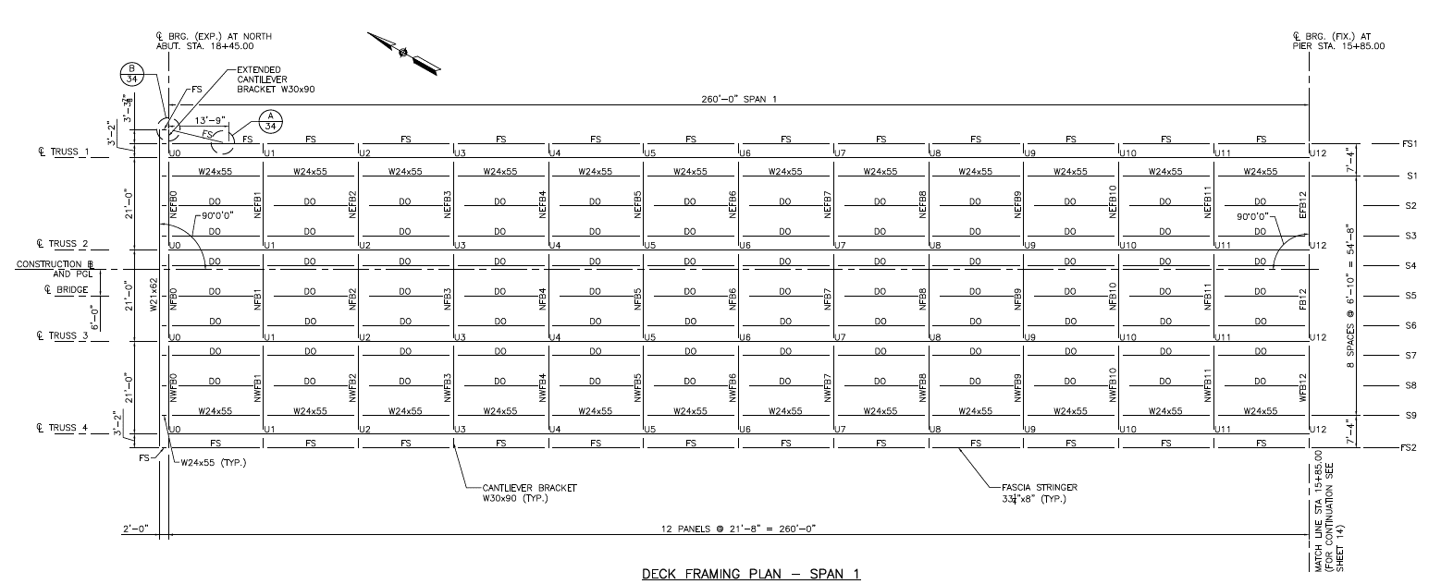
 |  |  |  |  |  |  |  |  |  |  |  |  |  |  |  |  | 2.143 | 1.00 | 0.49 | 1.00 | Utilities TR1-TR2 |  | 0.088 | DC | + |  | L0, L12 = | Load DL = |  | 5.88 | kip |  |  |  |  |  | L5 | 1421.8 | 1 | 0.40 | 0.81 |  |  |  |  | L2 | 43.334 | -15.510 | 9.03 |  |  | * |  |  |  |  |  |  |  |  |  |  |  |  |  |  | 166.40 | 2 |  | 0 |  |  |  |  | L1 |  |  | 0.00
 |  |  |  |  |  |  |  |  | Figure XX. | Horizontal Bracing on Bottom Panel |  |  |  |  |  |  | 2.167 | 1.00 | 0.49 | 1.00 | Utilities TR2-TR3 |  | 0.088 | DC | + |  |  | ( # trusses) |  |  |  |  |  |  |  |  | L6 | 6293.8 | 1 | 1.78 | 3.57 |  |  |  |  | L3 | 65.001 | -15.239 | 6.26 |  |  | * |  |  |  | Truck | DF | Llmax |  |  |  |  |  |  |  |  | 166.40 | 3 |  | 0 |  |  |  |  | L2 |  |  | 0.00 |  |  |  |  |  |  | S1 load transferred = | 27.74 | kip
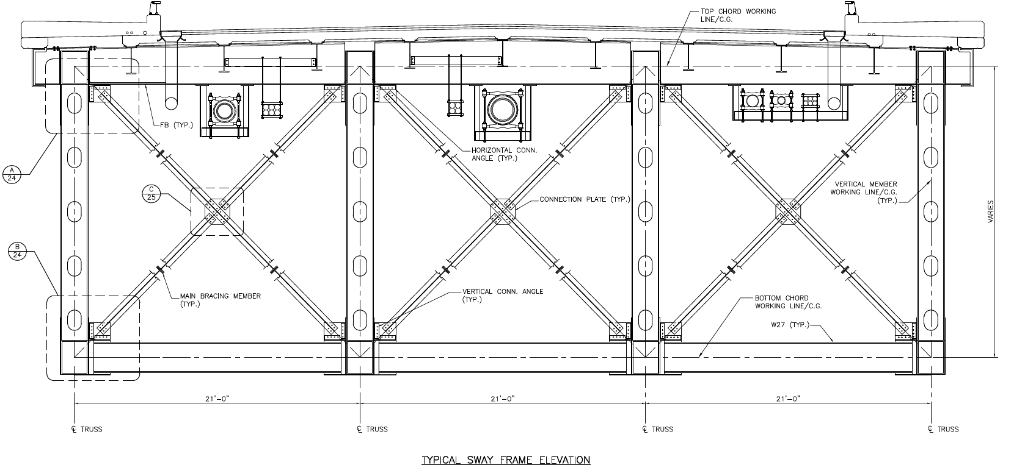
 |  |  |  |  |  |  |  |  |  |  |  |  |  |  |  |  | 2.389 | 1.00 | 0.49 | 1.00 | Utilities TR3-TR4 |  | 0.088 | DC | + |  |  |  |  |  |  |  |  |  |  |  | L7 | 1461.9 | 1 | 0.41 | 0.83 |  |  |  |  | L4 | 86.668 | -14.969 | 8.30 |  |  | * |  |  |  | HL-93 | 0 | 0 |  |  |  |  |  |  |  |  | 166.40 | 4 |  | 0 |  |  |  |  | L3 |  |  | 0.00 |  |  |  |  |  |  | S2 & S3 load transferred= | 21.52 | kip
 |  |  |  |  |  |  |  |  |  |  |  |  |  |  |  |  |  |  |  |  |  |  | 25.157 |  |  |  | Mid-Panels |  |  |  |  |  |  |  |  |  | L8 | 7375.2 | 1 | 2.09 | 4.18 |  |  |  |  | L5 | 108.335 | -15.573 | 6.29 |  |  | * |  |  |  | H20 | 0 | 0 |  |  |  |  |  |  |  |  | 166.40 | 5 |  | 0 |  |  |  |  | L4 |  |  | 0.00
 |  |  |  |  |  |  |  |  |  |  |  |  |  |  |  |  |  |  |  |  |  |  |  |  |  |  | L1-L11 = | Load DL = |  | 1.32 | kip |  |  |  |  |  | L9 | 1400.2 | 1 | 0.40 | 0.79 |  |  |  |  | L6 | 130.002 | -16.133 | 9.06 |  |  | * |  |  |  | HS20 | 0 | 0 |  |  |  |  |  |  |  |  |  |  |  | 0 |  |  |  |  | L5 |  |  | 0.00 |  |  |  |  |  |  |  | V, kip | M, kip.ft
 |  |  |  |  |  |  |  |  |  |  |  |  |  |  |  |  | Area | Length | Ys | Qty | Item |  | Load | AASHTO |  |  |  | ( # trusses) |  |  |  |  |  |  |  |  | L10 | 7296 | 1 | 2.07 | 4.14 |  |  |  |  | L7 | 151.669 | -17.656 | 6.35 |  |  | * |  |  |  | Type 3 | 0 | 0 |  |  |  |  |  |  |  |  |  |  |  |  |  |  |  |  | L6 |  |  | 0.00 |  |  |  |  |  | End Floor beam |  | 35.73 | 187.59
 |  |  |  |  |  |  |  |  |  |  |  |  |  |  |  |  | in2 | ft | k/ft3 | - | Description |  | kip | Type |  |  |  |  |  |  |  |  |  |  |  |  | L11 | 1606.6 | 1 | 0.46 | 0.91 |  |  |  |  | L8 | 173.336 | -19.135 | 9.72 |  |  | * |  |  |  | Type 3S3 | 0 | 0 |  |  |  |  |  |  |  | Type of Truck = |  | Type 3 |  |  | PLL = VLL = | 0 | kip |  | L7 |  |  | 0.00 |  |  |  |  |  | Intermediate Floor beam |  | 71.46 | 375.17 |  | Load comes from 2 bays
 |  |  |  |  |  |  |  |  |  |  |  |  |  |  |  |  | 45.00 | 21.000 | 0.490 | 1 | Interior Floorbeam |  | 3.216 | DC |  |  | Bracing Loads: |  |  |  |  |  |  |  |  |  | L12 | 8753.7 | 2 | 4.96 | 9.93 |  |  |  |  | L9 | 195.003 | -21.500 | 7.13 |  |  | * |  |  |  |  |  | 0 |  |  |  |  |  |  |  |  |  |  |  |  |  |  |  |  | L8 |  |  | 0.00
 |  |  |  |  |  |  |  |  |  |  |  |  |  |  |  |  | 42.81 | 21.000 | 0.490 | 2 | Exterior Floorbeam |  | 6.119 | DC |  |  |  |  |  |  |  |  |  |  |  |  |  |  |  |  |  |  |  |  |  | L10 | 216.670 | -23.859 | 10.56 |  |  | * |  |  |  |  |  |  |  |  |  |  |  |  |  | DF | Total | No. | Mod. | LL |  |  |  |  | L9 |  |  | 0.00
 |  |  |  |  |  |  |  |  |  |  |  |  |  |  |  |  | 26.3 | 3.1666666667 | 0.490 | 2 | Bracket Sidewalk beam |  | 0.567 | DC |  |  |  | Section | Length | Load |  | *Pending on Height of Bay |  |  |  |  | *Per CAD drawings |  |  |  |  |  |  |  |  | L11 | 238.337 | -27.119 | 7.46 |  |  | * |  |  |  |  |  |  |  |  |  |  |  |  |  |  | Load | Lanes | Factor |  |  |  |  |  | L10 |  |  | 0.00
 |  |  |  |  |  |  |  |  |  |  |  |  |  |  |  |  | 20 | 21 | 0.150 | 3 | Floorbeam Haunch |  | 1.313 | DC |  |  |  | Type | ft | kip |  |  |  |  |  |  |  |  |  |  |  |  |  |  |  | L12 | 260.004 | -30.370 | 21.11 |  |  | 1/2 Hz. Brace load |  |  |  |  |  |  |  |  |  |  |  |  |  |  | 166.4 | 1 |  | 0 |  |  |  |  | L11 |  |  | 0.00
 |  |  |  |  |  |  |  |  |  |  |  |  |  |  |  |  |  |  |  |  |  |  | 11.214 |  |  |  | Top Horizontal Bracing | WT8x33.5 | 30.174 | 1.007 |  |  |  |  |  |  |  |  |  |  |  |  |  |  |  |  |  |  |  |  |  |  |  |  |  |  |  |  |  |  |  |  |  |  |  |  | 166.40 | 2 |  | 0 |  |  |  |  | L12 |  |  | 0.00
 |  |  |  |  |  |  |  |  |  |  |  |  |  |  |  |  |  |  |  |  |  |  |  |  |  |  | Bottom Hz Bracing | W30x116 | 30.174 | 3.511 |  |  |  |  |  |  |  |  |  |  |  |  |  |  |  | Note: |  |  |  |  |  |  |  |  |  |  |  |  |  |  |  |  |  |  |  |  | 166.40 | 3 |  | 0
 |  |  |  |  |  |  |  |  |  |  |  |  |  |  |  |  | *Value accounts for deck slope |  |  |  |  |  |  |  |  |  | Seismic Type 1 | WT8x50 | 21.000 | 0.050 | * | Sway Bay L0, L9, L10 & L11 |  |  |  |  |  |  |  |  |  |  |  |  |  | Vertical Brace (VB) loads are equal to 1* VB on both top and lower panels; |  |  |  |  |  |  |  |  |  |  |  |  |  |  |  |  |  |  |  |  | 166.40 | 4 |  | 0 |  |  |  |  | * Values are obtained using largest LL;
 |  |  |  |  |  |  |  |  |  |  |  |  |  |  |  |  | **Value accounts for sidewalk slope |  |  |  |  |  |  |  |  |  | Seismic Type 2 | WT6x25 | 21.000 | 0.025 | * | Sway Bay L1-L8 |  |  |  |  |  |  |  |  |  |  |  |  |  |  |  |  |  |  |  |  |  |  |  |  |  |  |  |  |  |  |  |  |  |  | 166.40 | 5 |  | 0
 |  | Figure XX. | Bridge Framing Plan |  |  |  |  |  |  | Figure XX. | Vertical Seismic Bracing |  |  |  |  |  | ***As calculated on Sidewalk dead load page |  |  |  |  |  |  |  |  |  | Seismic Type 3 | WT12x96 | 36.923 | 3.543 |  | Sway Bay L12 |  |  |  |  |  |  |  |  |  |  |  |  |  |  |  |  |  |  |  |  |  |  |  |  |  |  |  |  |  |  |  |  |  |  |  |  |  | 0
 |  |  |  |  |  |  |  |  |  |  |  |  |  |  |  |  | . + thickness are swaped with cross-sectional area

DFactors
CLIENT | City of Lowell |  |  |  | STV Incorporated |  |  |  | CLIENT | City of Lowell |  |  | STV Incorporated |  |  |  | CLIENT | City of Lowell | STV Incorporated |  |  |  | CLIENT | City of Lowell |  |  | STV Incorporated
PROJECT | University Ave, Lowell, Bridge |  |  |  | MADE | CHK. | REV. | 4014312 | PROJECT | University Ave, Lowell, Bridge |  |  | MADE | CHK. | REV. | 4014312 | PROJECT | University Ave, Lowell, Bridge | MADE | CHK. | REV. | 4014312 | PROJECT | University Ave, Lowell, Bridge |  |  | MADE | CHK. | REV. | 4014312
SUBJECT | Bridge Load Rating |  |  |  | ARG |  |  | SHT # 1 /12 | SUBJECT | Bridge Load Rating |  |  | ARG |  |  | SHT # 2 /12 | SUBJECT | Bridge Load Rating | ARG |  |  | SHT # 3 /12 | SUBJECT | Bridge Load Rating |  |  | ARG |  |  | SHT # 4 /12
 | #REF! |  |  |  | 2015-10-28 |  |  |  |  |  |  |  | 2015-10-28 |  |  |  |  |  | 2015-10-28 |  |  |  |  |  |  |  | 2015-10-28

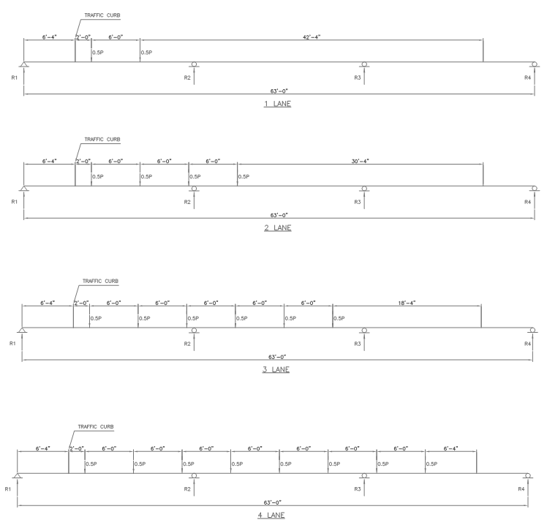
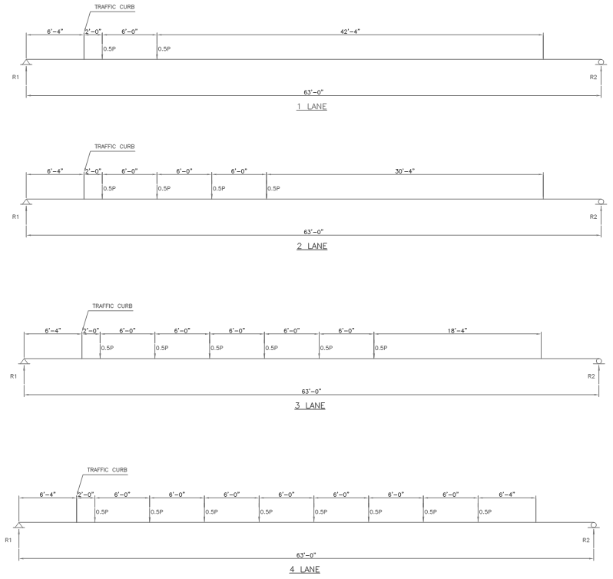
 | Distribution Factors |  |  |  |  |  | Ref. |  |  | Moment Distribution Factor for Exterior Beams |  |  | AASHTO | Table 4.6.2.2.2d-1 |  |  |  | Truss Distribution Factor |  |  |  |  |  | Truss Distribution Factor
 |  |  |  |  |  |  |  |  |  | Longitudinal beams / Stringers
 |  | Exterior |  | Interior
 |  | 1-Lane | 2+ Lane | 1-Lane | 2+ Lane |  |  |  |  | Single Lane |  |  | Lever Rule
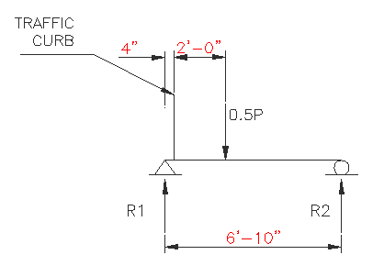
Stringer | V | 0.659 | 0.563 | 0.633 | 0.731 |  | Page 5 Hand Calcs
 | M | 0.659 | 0.501 | 0.529 | 0.650 |  | Page 5 Hand Calcs
Floor beam | F | 1.289 |  | 2.578 |  |  | Page 7 Hand Calcs
Truss | F | 0.281 | 0.226 | 0.3596 | 0.67 |  | Page 3 Hand Calcs
 | Case 6 | 0.714 | 1.799 | 1.524 | 2.201 |  | Page 8/9 Hand Calcs

 | Stringers Distribution Factors

 | Table x - L for Use in Live Load Distribution Equations |  |  |  |  | AASHTO | Table 4.6.2.2.1-2

 | Force Effect | L (ft)
 | M+ | L |  |  |  |  |  |  |  | Figure X. | Exterior Stringer Controlling Case |  | Page 5 Hand Calculations
 | M- | Lavg = (L1+L2)/2 |  |  |  | Near int. supports of continuous spans
 | M- | L |  |  |  | Other than near int. supports |  |  |  | DFext = | 0.659 |  | Moment Single-Lane Exterior DF
 | V | L
 | Ext. R | Lext |  |  |  |  |  |  |  | Multi-lane |  |  | Case II - Concrete Deck on Steel Beams
 | Int. R | Lavg = (L1+L2)/2
 |  |  |  |  |  |  |  |  |  | e = | 0.77
 | Moment Distribution Factor for Interior Beams |  |  |  |  | AASHTO | Table 4.6.2.2.2b-1 |  |  | de = | 2.166 | OK
 |  |  |  |  |  |  |  |  |  | DF = | e * DFINT = | 0.501 | Moment Multi-Lane Exterior DF
 | Applicability Check: |  |  |  |  | Case II - Concrete Deck on Steel Beams
 |  |  |  |  |  |  |  |  |  | Shear Distribution Factor for Exterior Beam |  |  | Table 4.6.2.2.3b-1
 | Stringer | Check | Beam | Check
S = | 6.83 | OK | 21 | NG |  |  |  |  |  | Single Lane |  |  | Lever Rule
ts = | 8 | OK | 8 | OK
L1 = | 21.667 | OK | 21 | OK |  | Span Length |  |  |  | DFEXT = | 0.659 |  | Shear Single-Lane Exterior DF
L2 = | 21.667 | OK | 21 | OK |  | Lavg = (L1+L2)/2
Nb = | 9 | OK | 5 | OK |  | Accounts for sidewalk brackets |  |  |  | Multi-lane |  |  | Case II - Concrete Deck on Steel Beams | Page 5 Hand Calculations
Kg = | 38370.13 | OK | 63449.3 | OK |  | Eqn. 4.6.2.2.1-1
 |  |  |  |  |  |  |  |  |  | e = | 0.77
 | Single Lane | Multi-lane |  |  |  |  |  |  |  | de = | 2.166 | OK
Stringer | 0.529 | 0.650 |  |  |  | Moment Interior Stringer DF |  |  |  | DF = | e * DFINT = | 0.563 | Shear Multi-Lane Exterior DF |  |  |  |  | *Using the hinge method the DF for this condition were obtained in the hand calcs; |  |  |  |  |  | Distribution Factors:
Beam | 1.155 | 1.574 |  |  |  | Not Applicable - Use Lever Rule
 |  |  |  |  |  |  |  |  |  |  |  |  |  |  |  |  |  |  |  |  |  |  |  |  | DF1 = | 0.820
 | Shear Distribution Factor for Interior Beam |  |  |  |  | Table 4.6.2.2.3a-1 |  |  |  |  |  |  |  |  |  |  |  |  |  |  |  |  |  |  | DF2 = | 1.450
 |  |  |  |  |  |  |  |  |  |  |  |  |  |  |  |  |  |  |  |  |  |  |  |  | DF3 = | 1.700
 | Single Lane | Multi-lane |  |  |  |  |  |  |  |  |  |  |  |  |  |  |  |  |  |  |  |  |  |  | DF4 = | 1.924
Stringer | 0.633 | 0.731 |  |  |  | Interior Stringer Shear DF

